Indirect Validation
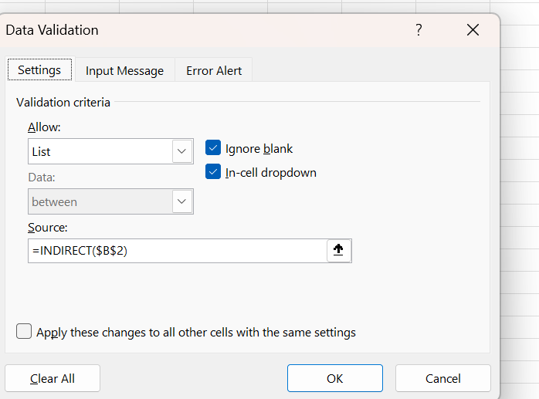
Select Games | Select Player
Lingocha | Dhoni

Sheet3
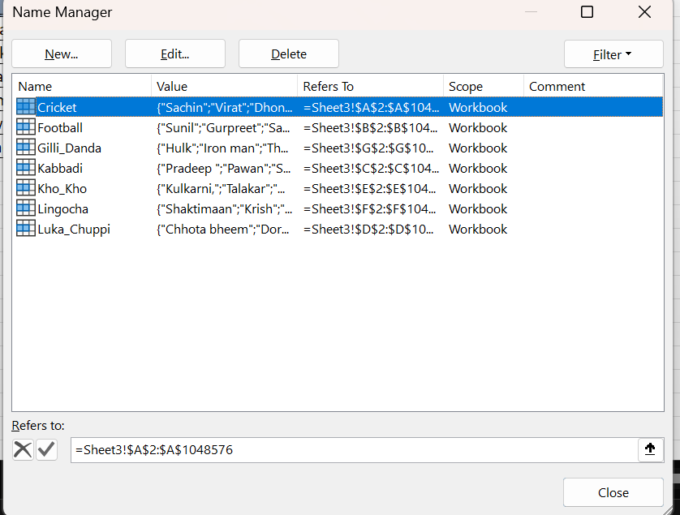
Cricket | Football | Kabbadi | Luka_Chuppi | Kho_Kho | Lingocha | Gilli_Danda
Sachin | Sunil | Pradeep | Chhota bheem | Kulkarni, | Shaktimaan | Hulk
Virat | Gurpreet | Pawan | Doremon | Talakar | Krish | Iron man
Dhoni | Sandesh | Siddharth | Nobita | Narayan | Flying Jatt | Thor
YuviPaji | Bhaichung | Navin | Power rangers | Shameel | Balveer | Captain America
BhuviPaji | Udanta | Manjeet | Shinchan | Palwinder | Ra-One | Superman
Pandya | Aniruddh | Shabbir | Pokemon | Mandakini | Chitti | Antman

 |  |  |  |  |  |  | For column name= CTRL+SHIFT+F3

 |  |  |  |  |  |  | You Need To Create first Name Manager For Indirect Validaition

